General
General Input File Format
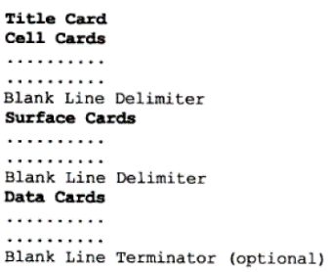

Problem Description
Details: | Bare UO2F2 Solution Cylinder

 |  | Description | Parameter | Value | Units
 |  | U Reflector | density | 18.8 | g/cc
 |  | N-239 | density | 15.00 | g/cc
 |  | Pu cyl | radius | 4.935 | cm
 |  | Pu cyl | height | 6.909 | cm
 |  | Reflector | Radius | 9.935 | cm

Cell Cards
Cell Cards
Index
Format
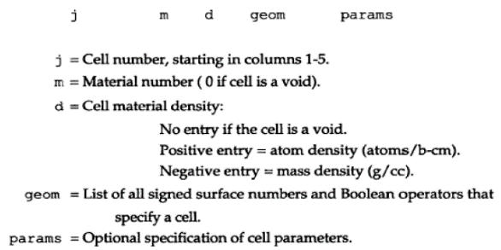

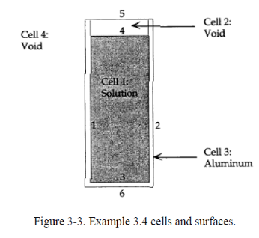

j | Comment | m | d | geom | params | importance | raw cell cards code
c | Cylinder |  |  |  |  |  | c Cylinder
1 | $ Solution | 1 | 0.096586 | -1 3 -4 |  | imp:n=1 | 1 1 0.096586 -1 3 -4 imp:n=1 $ Solution
c | Void + Al container |  |  |  |  |  | c Void + Al container
2 | $ Void top | 0 |  | -1 4 -5 |  | imp:n=1 | 2 0 -1 4 -5 imp:n=1 $ Void top
3 | $ Container | 2 | -2.7 | (1 -2 -5 3):(-2 -3 6) |  | imp:n=1 | 3 2 -2.7 (1 -2 -5 3):(-2 -3 6) imp:n=1 $ Container
c | Universe |  |  |  |  |  | c Universe
999 | $ Void Universe | 0 |  | 2:5:-6 |  | imp:n=0 | 999 0 2:5:-6 imp:n=0 $ Void Universe

Vised
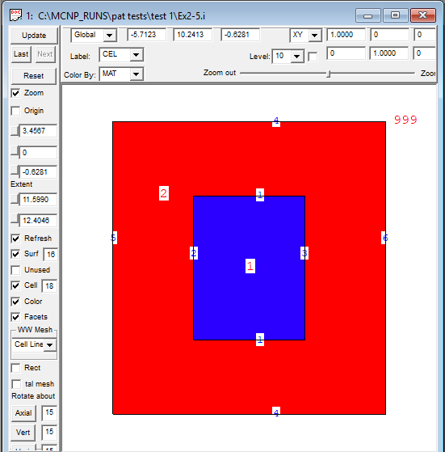
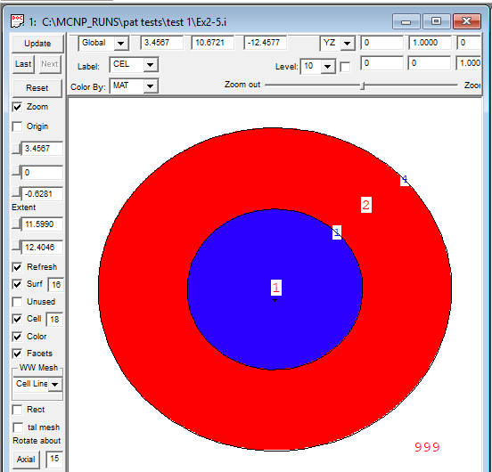
Vised
Index

Side View | Top View

